Diagrams
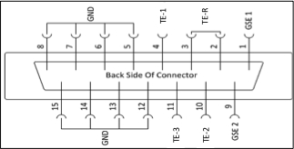
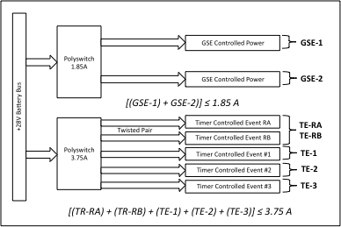

Power Pin-Out
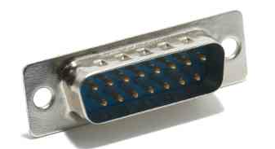

 |  | Male

 |  |  | Current Limits on Power Lines

 | Customer Side Connector (On Deckplate)-MALE

Timing Definitions For Timer Events

